1. Title Page
[Instacart Basket Analysis]

Project Name: Instacart Basket Analysis
Date: January , 2023
Analyst Name: William Su

Contents:
Population Flow
Consistency checks
Wrangling steps
Column derivations
Visualizations
Recommendations

Data Citation
“The Instacart Online Grocery Shopping Dataset 2017”, Accessed from https://www.instacart.com/datasets/grocery-shopping-2017 on December 2022.
 | Note: Customer Data and Pricing Data was fabricated for the purpose of this learning project.

2. Population Flow
Title page

Population flow

Exclusion flag
Condition: max_order <
Obervations to be removed:
Final total count of order_products_all:

Orders_products_combined
Orders_products_merged
Orders_products_all

Total: 32,404,859
Total: 32,434,489
Total: 32,404,859

1.) The grey boxes in the first row of the population flow represent the original data sets as they were when you downloaded them. In the Total fields you need to add the count of the rows when you imported the data set into Jupyter.
2.) The second row of boxes (coloured) represents the data sets after you manipulated them, e.g., removed missing values and duplicates. In the Total fields you need to add the count of the rows after conducting these operations. This offers a visual oveview of how the data flows throughout the data consistency checks.
3.) The third row, where also the arrows are coloured, represents the merges you performed between the datasets. In the Total fields you need to add the count of the rows in the merged datasets, so that you end up with the final dataset (in the red box). Keep in mind the final dataset should be without exclusions (based on the exclusion flag).

3. Consistency checks
 |  |  |  | Title page
Consistency checks

Dataset | Missing values | Missing values treatment | Duplicates
orders | 206209 days_since_prior_order values | These were all first time orders. A new flag was created to differentiate between first-time orders, and the NaN were left as is. | 0 duplicate records
products | 16 product_name values | removed | 5 duplicate records
orders_products_prior | 0 missing values | N/A | 0 duplicate records
customers | 11259 first_name values | Missing values kept as is because they were still identifiable with user_ids. | 0 duplicate records
departments | had a column for missing values | N/A | 0 duplicate records

4. Wrangling steps
 |  |  |  |  | Title page
Wrangling steps

Data Set | Columns dropped | Columns renamed | Columns' type changed | Comment/Reason
orders |  | order_dow to order_day_of_week |  | readability
 |  |  | order_id to string | uniformity, not used in calculations
 |  |  | user_id to string | uniformity, not used in calculations

products | unnamed: 0, unnamed: 1, _merged |  |  | unnecessary columns

 |  | First Name to first_name |  | consistency and readability
customers |  | Surnam to surname |  | consistency and readability
 |  | Gender to gender |  | consistency and readability
 |  | STATE to state |  | consistency and readability
 |  | Age to age |  | consistency and readability
 |  | n_dependants to num_of_dependents |  | consistency and readability
 |  | fam_status to marital_status |  | consistency and readability
 |  |  | first_name to string | uniformity

 |  | Note: In the future, first_name and surname columns would be dropped because they are Personally Identifiable Information.

5. Column derivations
 |  |  |  | Title page

Column derivations and aggregations

In this tab you should add tables below that the frequences of flags/label variables that you produced after deriving them. NB: don't do this for continuous variables, only for flags.
Dataset | New column | Column/s it was derived from | Conditions
orders_products_merged | price_range_loc | prices | prices > 15, then 'high range product' | prices <= 15 and > 5, then 'mid-range product' | prices < 5, then 'low-range product'
 | busiest_day | order_days_of_week | if order_days_of_week = 0 or 1, then 'Busiest Day' | if order_days_of_week = 4 or 3, then 'Slowest Day' | else then 'Regularly Busy'
 | busiest_period_of_day | order_hour_of_day | if order_hour_of_day >= 9 and <= 16, then "Most Orders" |if order_hour_of_day >= 0 and <= 6, then "Fewest Orders"| else then "Average Orders'
orders_products_merged_4.8 | loyalty_flag | max_order | if max_order > 40, then 'Loyal Customer' | if max_order <= 40 and > 10, then 'Regular Customer' | if max_order <= 10, then 'New Customer
 | spender_flag | avg_price | if avg_price < 10, then 'Low Spender' | if avg_price >= 10, then 'High spender'
 | frequency_flag | median_days_since_prior_order | if median_days_since_prior_order > 20, then 'Non-frequent customer' | if median_days_since_prior_order <= 20 and > 10, then 'Regular customer' | if median_days_since_prior_order <= 10, then 'Frequent Customer'
orders_products_customers | region | state | Northeast = ['Maine', 'New Hampshire', 'Vermont', 'Massachusetts', 'Rhode Island', 'Connecticut', 'New York', 'Pennsylvania', 'New Jersey']
 |  |  | Midwest = ['Wisconsin', 'Michigan', 'Illinois', 'Indiana', 'Ohio', North Dakota', 'South Dakota', 'Nebraska', 'Kansas', 'Minnesota', 'Iowa', 'Missouri']
 |  |  | South = ['Delaware', 'Maryland', 'District of Columbia', 'Virginia', 'West Virginia', 'North Carolina', 'South Carolina', 'Georgia', 'Florida', 'Kentucky', 'Tennessee', 'Mississippi', 'Alabama', 'Oklahoma', 'Texas', 'Arkansas', 'Louisiana']
 |  |  | West = ['Idaho', 'Montana', 'Wyoming', 'Nevada', 'Utah', 'Colorado', 'Arizona', 'New Mexico', 'Alaska', 'Washington', 'Oregon', 'California', 'Hawaii']
 | activity_flag | max_order | if max_order > 5, then 'High Activity | if max_order <= 5, then low_activity
01-2023_final_dataset | age_group | age | if age <= 24, then 'Youth' | if age <= 64 and > 24, then 'Adult' | if age > 64 then 'Elder'
 | income_profile | income | if income < 100000, then 'Low Income', | if income >= 100000 and < 200000, then "Lower Middle Income", |if income >= 200000 and < 300000, then "Higher Middle Income", | if income >= 300000, then 'High Income'
 | family_profile | num_of_dependents, department | if num_of_dependents > 0 and department = babies, then "Younger Children" | if num_of_dependents > 0 and department != babies, then "Older Children" |if num_of_dependents == 0, then "No Children"
 | family_size | num_of_dependents | if num_of_dependents = 0, then "Single or Couple" | if num_of_dependents >= 1 and <= 2, then "Small Family" | if num_of_dependents > 2, then "Large Family

6. Visualizations
 |  |  |  |  | Title page

Visualisations

In this tab you should include all the visualtions from Exercises 4.9 and 4.10, alongside the questions from the project brief that they answer. Include any commentary on the relationship between different variables.

Busiest Days of the Week and Hours of the Day

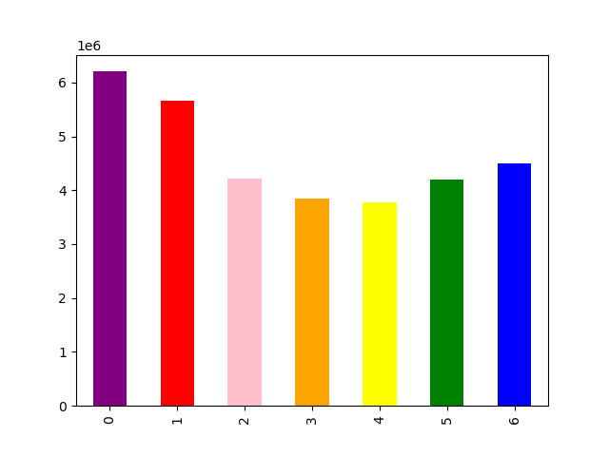

 | A bar chart depicting the number of orders per day of the week.
 | 0 corresponds to Saturday, and has the most purchases of the week, followed by 1, which represents Sunday.
 | Day 4, or Wednesday, and Day 3, or Tuesday, have the fewest orders during the week.



 | A histogram depicting orders per hour of the day.
 | Most orders occur between 9:00 and 16:00.
 | The fewest orders occur between 0:00 and 5:00.


Prices by Hour of the Day

 | A line chart depicting item prices purchased throughout the hours of the day.-
 | There seems to be large purchases through the mornings, between 0:00 and 5:00.
 | There is a large dip in purchases from 7:00 and 8:00 to 9:00, possibly because it is the typical start of the work day or school day for most people.
 | Prices are fairly stable afterwards.

Customer Loyalty


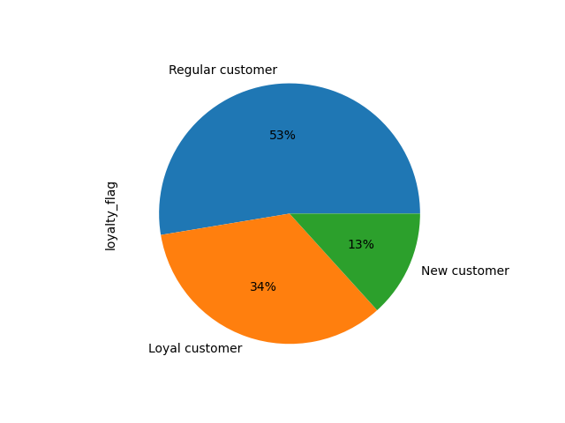

 |  |  |  |  |  | A bar chart and a pie chart depicting customer loyalty, or the number of customers that fall into each category.
 |  |  |  |  |  | Although cut off, the first bar represents the 'Regular Customer', a customer that has ordered from Instacart between 10 and 40 times.
 |  |  |  |  |  | This is followed by customers under the 'Loyal Customer' flag, or a customer that has over 40 Instacart Purchases.
 |  |  |  |  |  | Finally, this is followed the the 'New Customer' flag, a customer that has used Instacart fewer than 10 times.

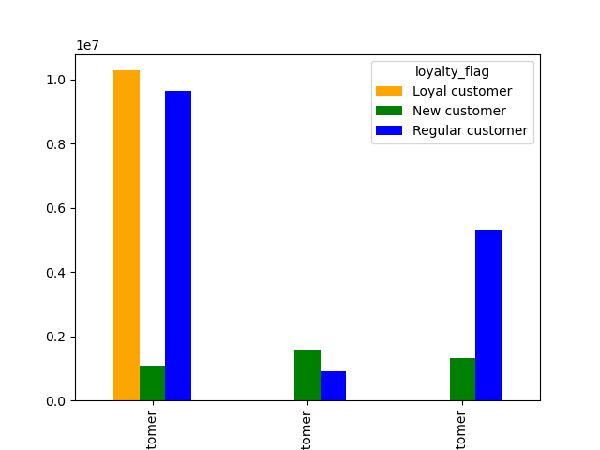

 |  |  | This is a bar chart depicting the customer loyalty compared to customer frequency.
 |  |  | The first bar represents the Frequent Customers.
 |  |  | The second bars represent Non-Frequent Customers.
 |  |  | The last bars represent Regular Customers.

 |  |  | Based on the graph, we can see that Loyal Customers are only Frequent Customers.
 |  |  |  | Frequent Customers are customers whose median orders are less than or equal to 10 days.
 |  |  | We can also see that there is a larger number of New Customers than Regular Customers who are considered Non-frequent Customers.
 |  |  |  | Non-Frequent Customers are customers whose median orders are over 20 days.
 |  |  | For Regular Customers, in regards to Loyalty, a larger portion of these are considered Frequent Customers.
 |  |  |  | Regular Customers, in terms of Frequency, are customers whose median orders are between 10 and 20 days.

Regions and Products

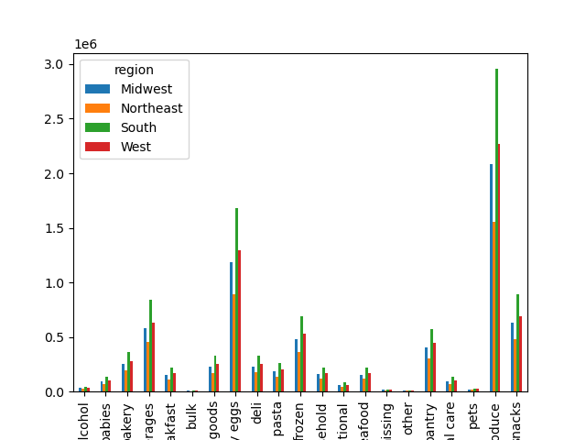

 |  | A bar chart depicting customer purchases based off of their regions and what department the items they are buying classifies as.
 |  | As shown in this bar chart, the Produce department is the most purchased.
 |  | This is followed the by dairy eggs department, the beverages department, the snacks department, and finally the frozen department.

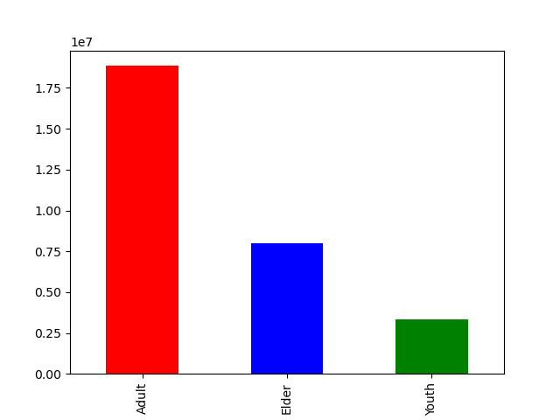

 |  | A bar chart depicting the customer base separated by age groups.

 |  | For age groups, a customer is flagged as a Youth if they are below the age of 25.
 |  | A customer is flagged as an Adult if they are between the age of 25 and 64.
 |  | A customer is flagged as an Elder if they are above the age of 64.

 |  | From this bar chart, we can see that Adults are the most populous age group, followed by Elders and then Youth.

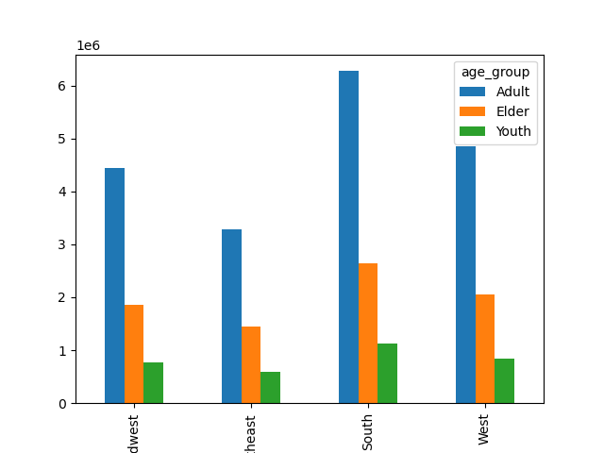

 |  | A breakdown of customers by regions and age groups.

 |  | We can see from this chart that the South region is the most populous, followed by the West, the Midwest, and then the Northeast.

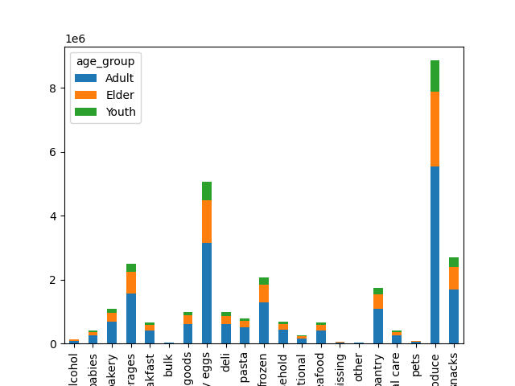

 |  | A stacked bar chart depicting a breakdown of items purchased by departments and age groups.

 |  | Similar to the bar chart above, we can see that the Produce department has the most purchases.
 |  | This is followed again by the Dairy eggs department, the Beverages department, and the Snacks department.

 |  | There are very little purchases for the Bulk department, the Other Department, as well as the Alcohol department and the Pets department.



 |  | A scatterplot comparing Age to Income.

 |  | There is a visibly large majority of the population who has an income of 200,000 or less.
 |  | There is also a fairly large chunk of the population who are older than 40 and make between 200,000 and 300,000.
 |  | It is also very noticeable that there are no data points for someone below the age of 40 that make over 400,000.

 |  | There does seem to be a positive correlation between age and income.

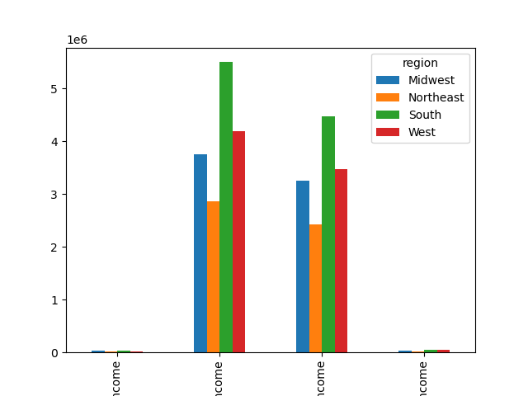

 |  | A bar chart depicting income levels in relation to regions.

 |  | The labels are cut off, but from left to right they are:
 |  | High Income, or the customer has an income of over 300,000.
 |  | Low Income, or the customer has an income of under 100,000.
 |  | Lower Middle Income, or the customer has an income between 100,000 and 200,000.
 |  | Higher Middle Income, or the customer has an income between 200,000 and 300,000.

 |  | A vast majority of the customers fall in between the Low Income and the Lower Middle Income flags.
 |  | Again, we can see that the South has the most amount of people in each bracket, followed by the West, and then the Midwest regions.

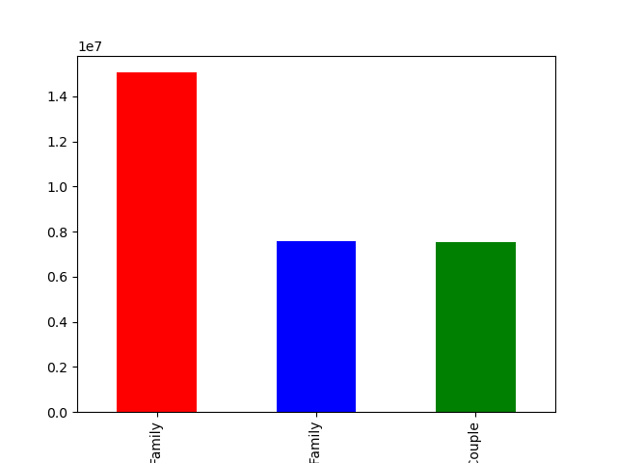

 |  | A bar chart depicting family sizes

 |  | Again, the labels are cut off, but from left to right they are:
 |  | Large Family, a family with 3+ dependents.
 |  | Small Family, a family with 1-2 dependents.
 |  | Single or Couple, a family with 0 dependents.

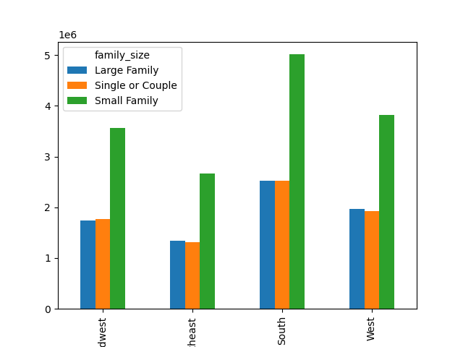

 |  | A bar chart depicting family sizes compared to regions.

 |  | As the most populated region, again the South has the most of the three categories.
 |  | This is followed by the West and then the Midwest.

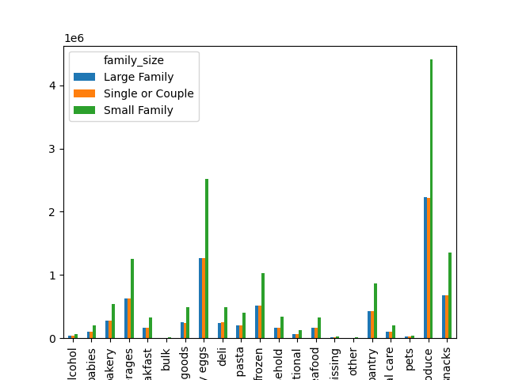

 |  | A bar chart depicting family sizes compared to departments ordered.



 |  | A line chart depicting the number of dependents based on the age of the customer.

 |  | There does not seem to be a clear correlation between the number of dependents and the age of the customer.

7. Recommendations
 |  | Title page

Recommendations

In this tab you should include any recommendations you would made to Instcart in terms of their marketing strategy based on the questions posed in the brief. Every key question has been covered in the Tasks of the Exercises - here you need to add an item - a visualisation or table/crosstable that is showing the answer in the data, acompanied by a comment from you. Please, list the questions below and add the answer underneath.

Question | Answer

The sales team needs to know what the busiest days of the week and hours of the day are (i.e., the days and times with the most orders) in order to schedule ads at times when there are fewer orders. | The busiest days of the week are Sundays, followed by Saturdays. Most online orders occur between 9:00 and 16:00.
 | See the visualization here: '6. Visualizations'!L16

They also want to know whether there are particular times of the day when people spend the most money, as this might inform the type of products they advertise at these times. | Customers seem to buy more expensive items between 0:00 and 5:00. They also tend to spend the least amount of money around 7:00 and 9:00. This is possibly because of the start of the work/school day.
 | See the visualization here: '6. Visualizations'!L63

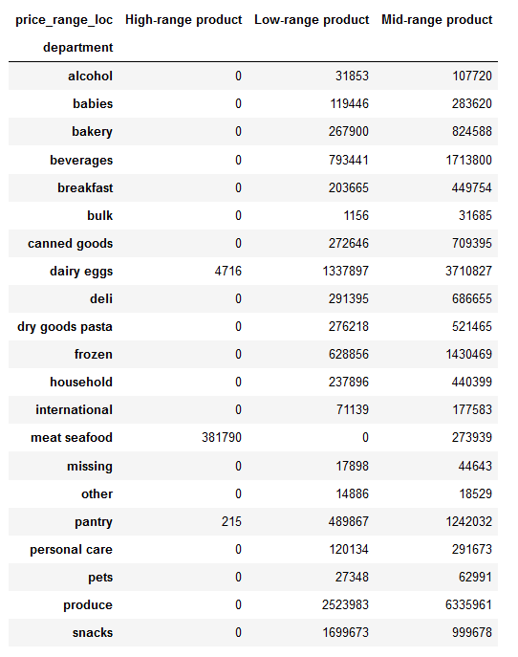
Instacart has a lot of products with different price tags. Marketing and sales want to use | A majority of products fit into the low-range and mid-range products.
simpler price range groupings to help direct their efforts. | Only dairy eggs, meat seafood, and pantry have items in the high-range product category.
 | Meat seafood is the only department that doesn't have items in the low-range product category.

Are there certain types of products that are more popular than others? The marketing | Dairy eggs is the most frequently reordered department, followed by beverages, produce, bakery, and deli.
and sales teams want to know which departments have the highest frequency of product orders

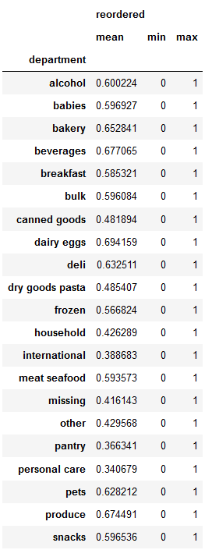
 | Dairy Eggs - 0.694159
 | Beverages - 0.677065
 | Produce - 0.674491
 | Bakery - 0.652841
 | Deli - 0.632511
 | Pets - 0.628212
 | Alcohol - 0.600224

What’s the distribution among users in regards to their brand loyalty (i.e., how | A larger portion of the customer base is flagged as a Regular Customer, or a customer that has between 10 and 40 orders.
often do they return to Instacart)? | This is followed by the Loyal Customer, and finally the New Customer.
 | See the visualization here: '6. Visualizations'!L89

Are there differences in ordering habits based on a customer’s loyalty status? | There does not seem to be any differences in orders between the three groups.
 | All three groups have the same top 5 departments in terms of order numbers. In order, they are Produce, Dairy Eggs, Snacks, Beverages, and Frozen.
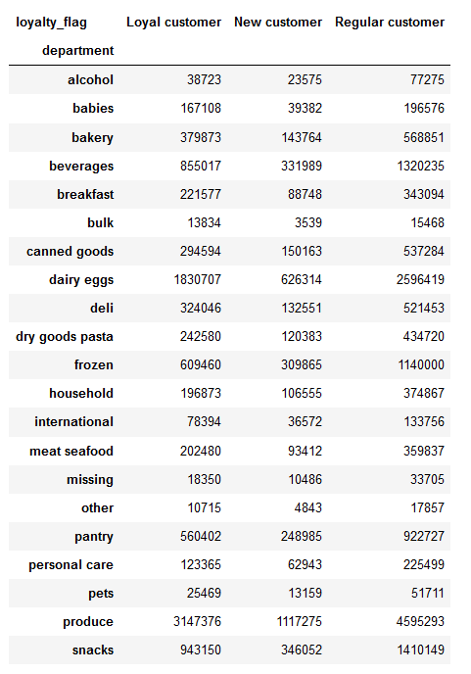
 | In regards to customer loyalty, the customers flagged as Loyal Customers all order Frequently. This means that they always order within 10 days from their previous order.

 | For Regular Customers, they can vary in frequency, but a larger majority can be considered Frequent or Regular customers.

 | For customers flagged as New Customers, they also vary between the three frequencies, but the largest portion of them are considered Non-frequent customers.
 | See the visualization here: '6. Visualizations'!L113

Are there differences in ordering habits based on a customer’s region? | There does not seem to be any differences between spending habits for the four regions.

 | Again, the top 5 departments in terms of orders are Produce, Dairy Eggs, Snacks, Beverages, and Frozen.
 | In terms of orders, the South region has the most orders, followed by the West, the Midwest, and finally the Northeast.
 | See the visualization here: '6. Visualizations'!L142

Is there a connection between age and family status in terms of ordering habits? | There does not seem to be a difference in terms of ordering habits for the three age groups. The top 5 categories stay consistent through the age groups,

 | In terms of family sizes, the Small Family, which makes up the largest portion of the data set, also orders the most per category.

 | The Large Family, when compared to the Single or Couple grouping, orders more in the Produce, Dairy Eggs, Snacks, and Frozen categories, but orders less in the Beverages category.
 | See the visualization here: '6. Visualizations'!M213
 | See the visualization here: '6. Visualizations'!M331

What different classifications does the demographic information suggest? Age? | The demographic information suggests that there is a positive correlation between age and income. There are very obvious groupings in the scatterplot, such as almost no person under the age of 40 has an income higher than $400,000.
Income? Certain types of goods? Family status?

 | There also doesn't seem to be any correlation between customer age and the number of dependents they have.
 | See the visualization here: '6. Visualizations'!M236
 | See the visualization here: '6. Visualizations'!M355

What differences can you find in ordering habits of different customer profiles? | The biggest differences that I noticed were that almost every customer considered a Loyal customer was also always considered a Frequent Customer.
Consider the price of orders, the frequency of orders, the products customers are | Regular Customers in terms of customer loyalty made up the largest group, at 53%, yet almost had enough to match the second largest group in terms of customer frequency.
ordering, and anything else you can think of.

